Sheet1
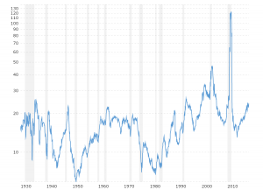
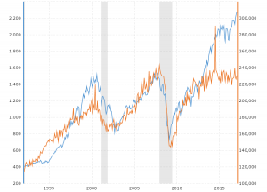
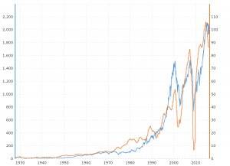
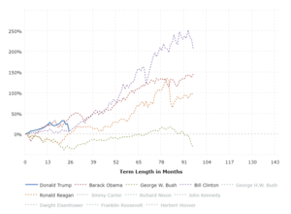
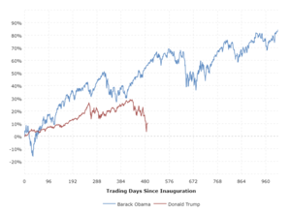
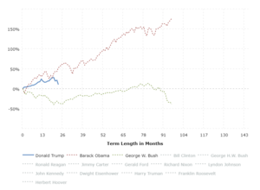
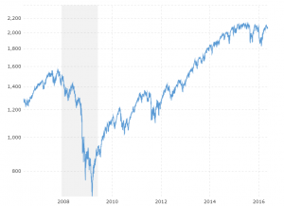
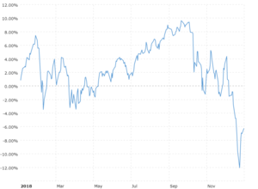
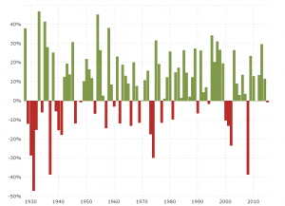
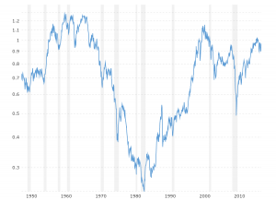
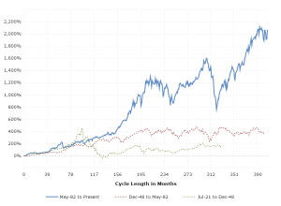
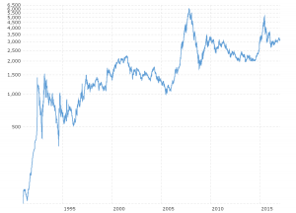
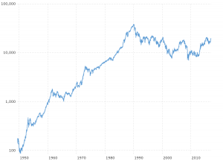
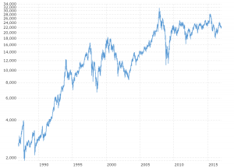
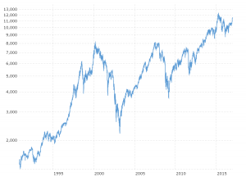
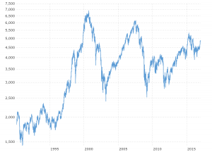
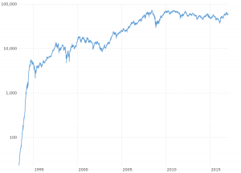
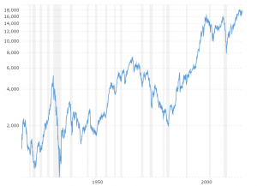
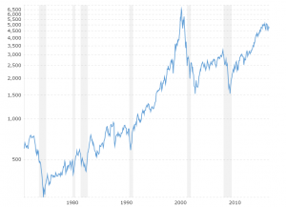
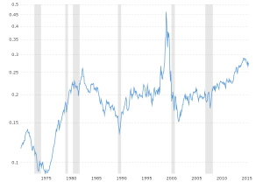
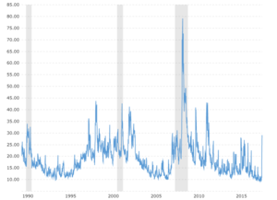
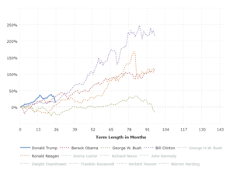
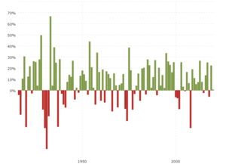
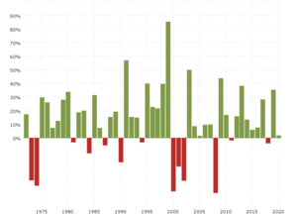
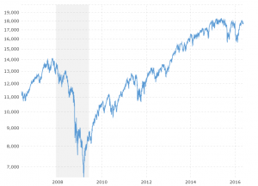
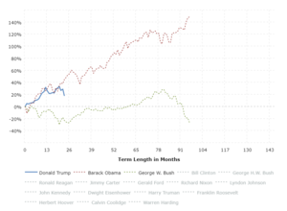
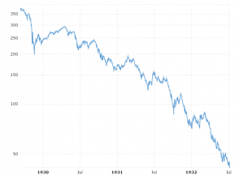
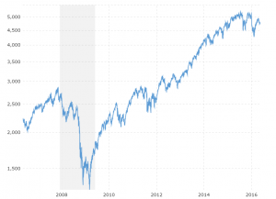
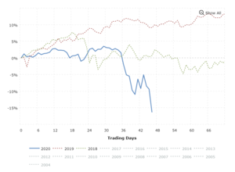
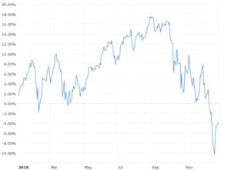
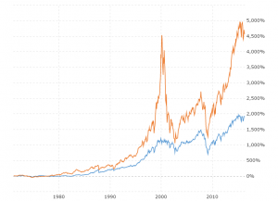
Year | Average Closing Price | Year Open | Year High | Year Low | Year Close | % Change
2023 | 4,001.08 | 3,824.14 | 4,179.76 | 3,808.10 | 3,916.64 | 2.01%
2022 | 4,097.49 | 4,796.56 | 4,796.56 | 3,577.03 | 3,839.50 | -19.44%
2021 | 4,273.41 | 3,700.65 | 4,793.06 | 3,700.65 | 4,766.18 | 26.89%
2020 | 3,217.86 | 3,257.85 | 3,756.07 | 2,237.40 | 3,756.07 | 16.26%
2019 | 2,913.36 | 2,510.03 | 3,240.02 | 2,447.89 | 3,230.78 | 28.88%
2018 | 2,746.21 | 2,695.81 | 2,930.75 | 2,351.10 | 2,506.85 | -6.24%
2017 | 2,449.08 | 2,257.83 | 2,690.16 | 2,257.83 | 2,673.61 | 19.42%
2016 | 2,094.65 | 2,012.66 | 2,271.72 | 1,829.08 | 2,238.83 | 9.54%
2015 | 2,061.07 | 2,058.20 | 2,130.82 | 1,867.61 | 2,043.94 | -0.73%
2014 | 1,931.38 | 1,831.98 | 2,090.57 | 1,741.89 | 2,058.90 | 11.39%
2013 | 1,643.80 | 1,462.42 | 1,848.36 | 1,457.15 | 1,848.36 | 29.60%
2012 | 1,379.61 | 1,277.06 | 1,465.77 | 1,277.06 | 1,426.19 | 13.41%
2011 | 1,267.64 | 1,271.87 | 1,363.61 | 1,099.23 | 1,257.60 | 0.00%
2010 | 1,139.97 | 1,132.99 | 1,259.78 | 1,022.58 | 1,257.64 | 12.78%
2009 | 948.05 | 931.8 | 1,127.78 | 676.53 | 1,115.10 | 23.45%
2008 | 1,220.04 | 1,447.16 | 1,447.16 | 752.44 | 903.25 | -38.49%
2007 | 1,477.18 | 1,416.60 | 1,565.15 | 1,374.12 | 1,468.36 | 3.53%
2006 | 1,310.46 | 1,268.80 | 1,427.09 | 1,223.69 | 1,418.30 | 13.62%
2005 | 1,207.23 | 1,202.08 | 1,272.74 | 1,137.50 | 1,248.29 | 3.00%
2004 | 1,130.65 | 1,108.48 | 1,213.55 | 1,063.23 | 1,211.92 | 8.99%
2003 | 965.23 | 909.03 | 1,111.92 | 800.73 | 1,111.92 | 26.38%
2002 | 993.93 | 1,154.67 | 1,172.51 | 776.76 | 879.82 | -23.37%
2001 | 1,192.57 | 1,283.27 | 1,373.73 | 965.8 | 1,148.08 | -13.04%
2000 | 1,427.22 | 1,455.22 | 1,527.46 | 1,264.74 | 1,320.28 | -10.14%
1999 | 1,327.33 | 1,228.10 | 1,469.25 | 1,212.19 | 1,469.25 | 19.53%
1998 | 1,085.50 | 975.04 | 1,241.81 | 927.69 | 1,229.23 | 26.67%
1997 | 873.43 | 737.01 | 983.79 | 737.01 | 970.43 | 31.01%
1996 | 670.49 | 620.73 | 757.03 | 598.48 | 740.74 | 20.26%
1995 | 541.72 | 459.11 | 621.69 | 459.11 | 615.93 | 34.11%
1994 | 460.42 | 465.44 | 482 | 438.92 | 459.27 | -1.54%
1993 | 451.61 | 435.38 | 470.94 | 429.05 | 466.45 | 7.06%
1992 | 415.75 | 417.26 | 441.28 | 394.5 | 435.71 | 4.46%
1991 | 376.19 | 326.45 | 417.09 | 311.49 | 417.09 | 26.31%
1990 | 334.63 | 359.69 | 368.95 | 295.46 | 330.22 | -6.56%
1989 | 323.05 | 275.31 | 359.8 | 275.31 | 353.4 | 27.25%
1988 | 265.88 | 255.94 | 283.66 | 242.63 | 277.72 | 12.40%
1987 | 287 | 246.45 | 336.77 | 223.92 | 247.08 | 2.03%
1986 | 236.39 | 209.59 | 254 | 203.49 | 242.17 | 14.62%
1985 | 186.83 | 165.37 | 212.02 | 163.68 | 211.28 | 26.33%
1984 | 160.46 | 164.04 | 170.41 | 147.82 | 167.24 | 1.40%
1983 | 160.47 | 138.34 | 172.65 | 138.34 | 164.93 | 17.27%
1982 | 119.71 | 122.74 | 143.02 | 102.42 | 140.64 | 14.76%
1981 | 128.04 | 136.34 | 138.12 | 112.77 | 122.55 | -9.73%
1980 | 118.71 | 105.76 | 140.52 | 98.22 | 135.76 | 25.77%
1979 | 103 | 96.73 | 111.27 | 96.13 | 107.94 | 12.31%
1978 | 96.11 | 93.82 | 106.99 | 86.9 | 96.11 | 1.06%
1977 | 98.18 | 107 | 107 | 90.71 | 95.1 | -11.50%
1976 | 102.04 | 90.9 | 107.83 | 90.9 | 107.46 | 19.15%
1975 | 86.18 | 70.23 | 95.61 | 70.04 | 90.19 | 31.55%
1974 | 82.78 | 97.68 | 99.8 | 62.28 | 68.56 | -29.72%
1973 | 107.44 | 119.1 | 120.24 | 92.16 | 97.55 | -17.37%
1972 | 109.13 | 101.67 | 119.12 | 101.67 | 118.05 | 15.63%
1971 | 98.32 | 91.15 | 104.77 | 90.16 | 102.09 | 10.79%
1970 | 83.15 | 93 | 93.46 | 69.29 | 92.15 | 0.10%
1969 | 97.77 | 103.93 | 106.16 | 89.2 | 92.06 | -11.36%
1968 | 98.38 | 96.11 | 108.37 | 87.72 | 103.86 | 7.66%
1967 | 91.96 | 80.38 | 97.59 | 80.38 | 96.47 | 20.09%
1966 | 85.18 | 92.18 | 94.06 | 73.2 | 80.33 | -13.09%
1965 | 88.16 | 84.23 | 92.63 | 81.6 | 92.43 | 9.06%
1964 | 81.37 | 75.43 | 86.28 | 75.43 | 84.75 | 12.97%
1963 | 69.86 | 62.69 | 75.02 | 62.69 | 75.02 | 18.89%
1962 | 62.32 | 70.96 | 71.13 | 52.32 | 63.1 | -11.81%
1961 | 66.27 | 57.57 | 72.64 | 57.57 | 71.55 | 23.13%
1960 | 55.85 | 59.91 | 60.39 | 52.2 | 58.11 | -2.97%
1959 | 57.42 | 55.44 | 60.71 | 53.58 | 59.89 | 8.48%
1958 | 46.2 | 40.33 | 55.21 | 40.33 | 55.21 | 38.06%
1957 | 44.42 | 46.2 | 49.13 | 38.98 | 39.99 | -14.31%
1956 | 46.64 | 45.16 | 49.64 | 43.11 | 46.67 | 2.62%
1955 | 40.5 | 36.75 | 46.41 | 34.58 | 45.48 | 26.40%
1954 | 29.72 | 24.95 | 35.98 | 24.8 | 35.98 | 45.02%
1953 | 24.72 | 26.54 | 26.66 | 22.71 | 24.81 | -6.62%
1952 | 24.45 | 23.8 | 26.59 | 23.09 | 26.57 | 11.78%
1951 | 22.32 | 20.77 | 23.85 | 20.69 | 23.77 | 16.46%
1950 | 18.39 | 16.66 | 20.43 | 16.65 | 20.41 | 21.78%
1949 | 15.24 | 14.95 | 16.79 | 13.55 | 16.76 | 10.26%
1948 | 15.51 | 15.34 | 17.06 | 13.84 | 15.2 | -0.65%
1947 | 15.15 | 15.2 | 16.2 | 13.71 | 15.3 | 0.00%
1946 | 17.07 | 17.25 | 19.25 | 14.12 | 15.3 | -11.87%
1945 | 15.14 | 13.33 | 17.68 | 13.21 | 17.36 | 30.72%
1944 | 12.47 | 11.66 | 13.29 | 11.56 | 13.28 | 13.80%
1943 | 11.52 | 9.84 | 12.64 | 9.84 | 11.67 | 19.45%
1942 | 8.67 | 8.89 | 9.77 | 7.47 | 9.77 | 12.43%
1941 | 9.83 | 10.48 | 10.86 | 8.37 | 8.69 | -17.86%
1940 | 11.01 | 12.63 | 12.77 | 8.99 | 10.58 | -15.29%
1939 | 12.05 | 13.08 | 13.23 | 10.18 | 12.49 | -5.45%
1938 | 11.48 | 10.52 | 13.91 | 8.5 | 13.21 | 25.21%
1937 | 15.41 | 17.02 | 18.68 | 10.17 | 10.55 | -38.59%
1936 | 15.45 | 13.4 | 17.69 | 13.4 | 17.18 | 27.92%
1935 | 10.58 | 9.51 | 13.46 | 8.06 | 13.43 | 41.37%
1934 | 9.83 | 10.11 | 11.82 | 8.36 | 9.5 | -5.94%
1933 | 9.04 | 6.83 | 12.2 | 5.53 | 10.1 | 46.59%
1932 | 6.92 | 7.82 | 9.31 | 4.4 | 6.89 | -15.15%
1931 | 13.66 | 15.85 | 18.17 | 7.72 | 8.12 | -47.07%
1930 | 21 | 21.18 | 25.92 | 14.44 | 15.34 | -28.48%
1929 | 26.19 | 24.81 | 31.86 | 17.66 | 21.45 | -11.91%
1928 | 19.94 | 17.76 | 24.35 | 16.95 | 24.35 | 37.88%

